C
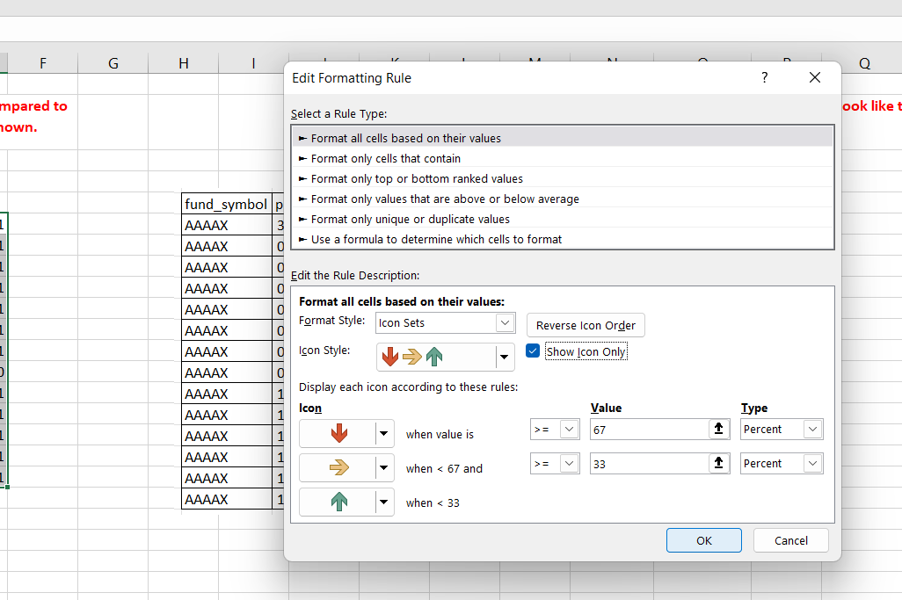
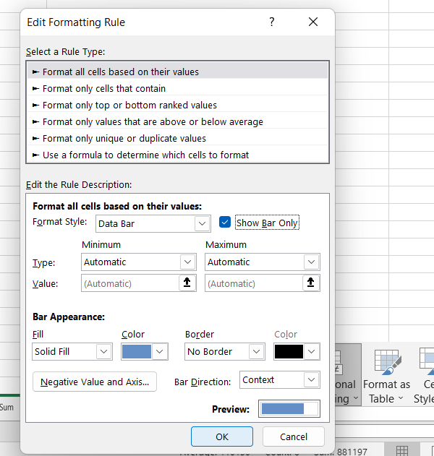
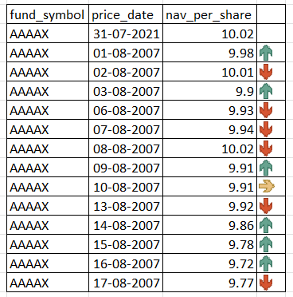
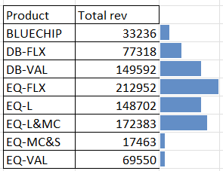
Add arrows to show increase/ decrese in 'nav' as compared to previous day. It should look like the image as shown. |  |  |  | Add Data bars in next column. It should look like the image as shown.
 |  |  | Ans |  | Ans
fund_symbol | price_date | nav_per_share
AAAAX | 31-Jul-21 | 10.02 |  |  | Product | Total rev
AAAAX | 2-Aug-21 | 9.98 | -1 |  | BLUECHIP | 33236 | 33236
AAAAX | 3-Aug-21 | 10.01 | 1 |  | DB-FLX | 77318 | 77318
AAAAX | 4-Aug-21 | 9.9 | -1 |  | DB-VAL | 149592 | 149592
AAAAX | 5-Aug-21 | 9.93 | 1 |  | EQ-FLX | 212952 | 212952
AAAAX | 6-Aug-21 | 9.94 | 1 |  | EQ-L | 148702 | 148702
AAAAX | 9-Aug-21 | 10.02 | 1 |  | EQ-L&MC | 172383 | 172383
AAAAX | 10-Aug-21 | 9.91 | -1 |  | EQ-MC&S | 17463 | 17463
AAAAX | 11-Aug-21 | 9.91 | 0 |  | EQ-VAL | 69550 | 69550
AAAAX | 12-Aug-21 | 9.92 | 1
AAAAX | 13-Aug-21 | 9.86 | -1
AAAAX | 16-Aug-21 | 9.78 | -1
AAAAX | 17-Aug-21 | 9.72 | -1
AAAAX | 18-Aug-21 | 9.77 | 1
 |  |  |  |  |  | Step1

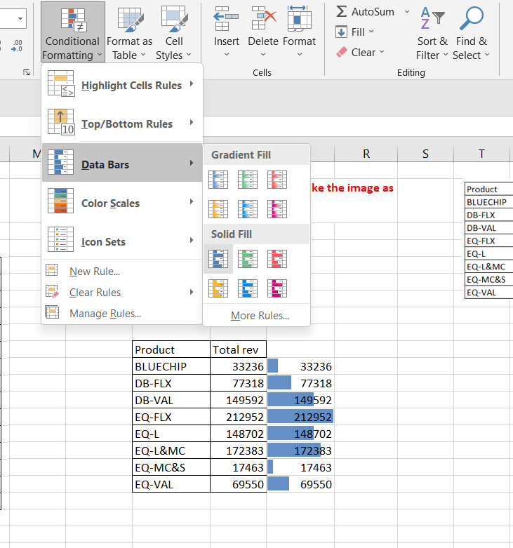
Step 1

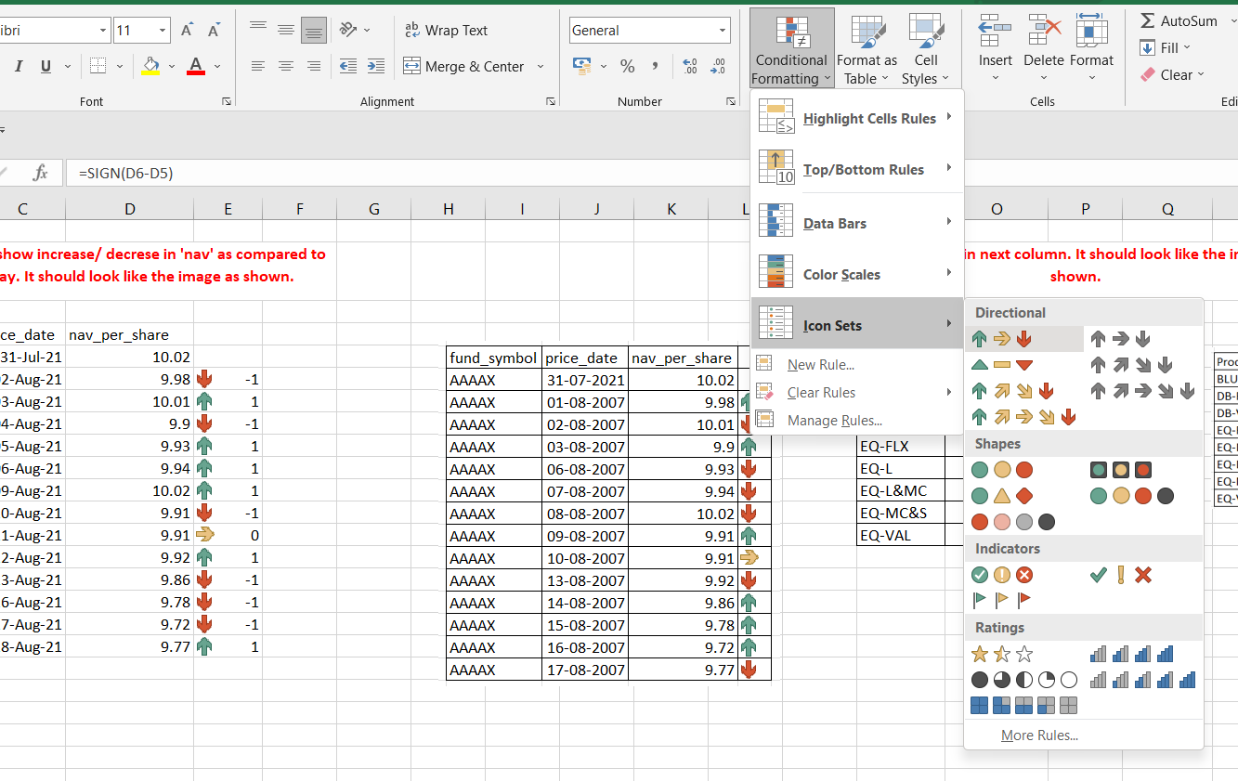

Step 2 |  |  |  |  |  |  |  | Step 2
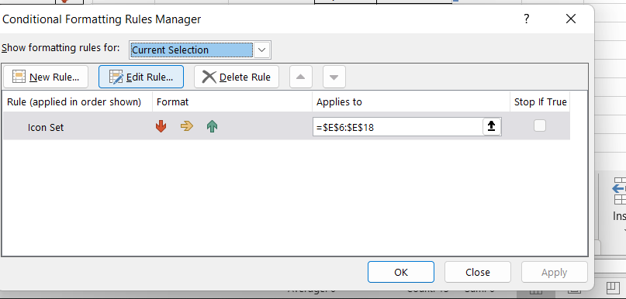
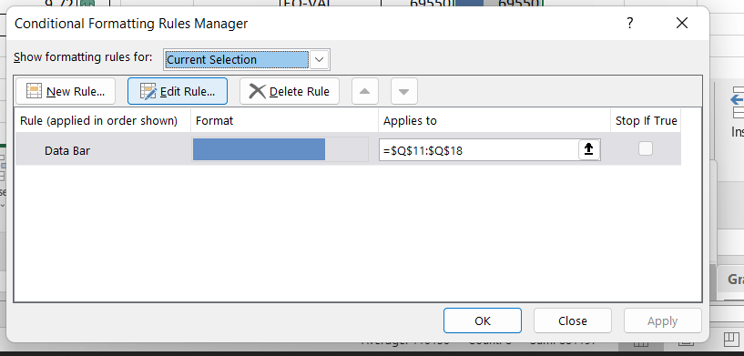

Step 3 |  |  |  |  |  |  |  |  | Step 3

